Dala Sales & Deliveries
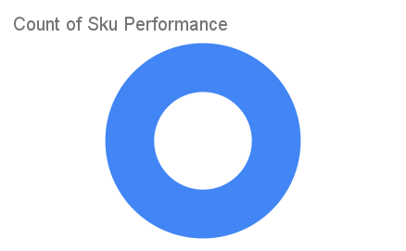
 |  |  |  |  |  | Total Invoices Delivered | 2.00 | Sku Performance | Units | Value
 |  |  |  |  |  | Unique Locations Supplied | 2.00 | 150g Primechem Kesteen Black Soap (48x) | 2.00 | 62,400.00
 |  |  |  |  |  | Total Value of orders | 62,400.00 |  | 0.00 | 0.00
 |  |  |  |  |  |  |  |  | 0.00 | 0.00
 |  |  |  |  |  |  |  |  | 0.00 | 0.00
 |  |  |  |  |  |  |  |  | 0.00 | 0.00
 |  |  |  |  |  |  |  |  | 0.00 | 0.00
 |  |  |  |  |  |  |  |  | 0.00 | 0.00
 |  |  |  |  |  |  |  |  | 0.00 | 0.00
 |  |  |  |  |  |  |  |  | 0.00 | 0.00
 |  |  |  |  |  |  |  |  | 0.00 | 0.00
 |  |  |  |  |  |  |  |  | 0.00 | 0.00
 |  |  |  |  |  |  |  |  | 0.00 | 0.00
Date | Vch No. | Particulars | item name | Quantity | Value

2025-08-10 | DT:002829 | Renees Supermarket, LEKKI CENTRAL MOSQUE | 150g Primechem Kesteen Black Soap (48x) | 1.00 | 31,200.00
 | DT:002831 | Limitless Mart, LEKKI | 150g Primechem Kesteen Black Soap (48x) | 1.00 | 31,200.00

